Product
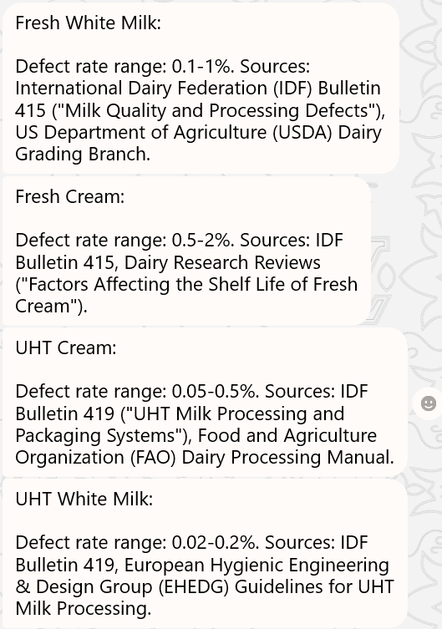
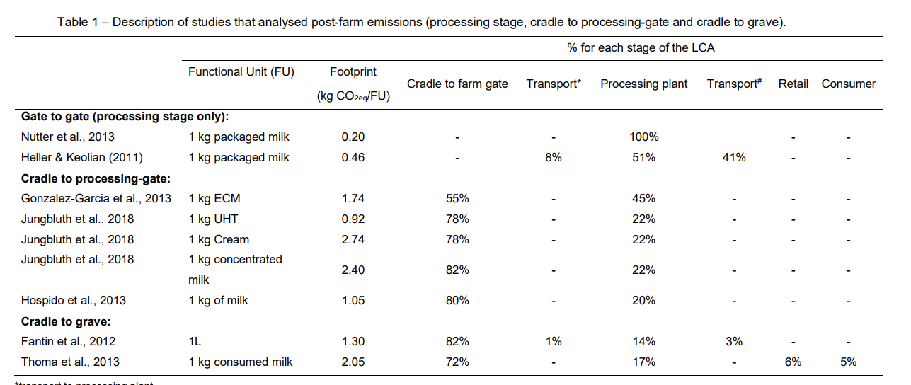
No | Sub Category | Unit | Conversion rate (product-to-mainPCK) | Conversion rate (product-to-largeCTN) | Defective

1 | UHT White Milk | CTN | 0.048 | 0.014 | 0.11%
2 | UHT White Milk | CTN | 0.048 | 0.014 | 0.11%
3 | UHT White Milk | CTN | 0.048 | 0.014 | 0.11%
4 | UHT Cream | CTN | 0.049 | 0.014 | 0.28%
5 | UHT Flavoured Milk | CTN | 0.097 | 0.022 | 0.12%
6 | UHT White Milk | CTN | 0.323 | 0.039 | 0.11%
7 | UHT Cream | CTN | 0.050 | 0.014 | 0.28%
8 | UHT Cream | CTN | 0.049 | 0.014 | 0.28%
9 | UHT Cream | CTN | 0.050 | 0.015 | 0.28%
10 | UHT Cream | CTN | 0.049 | 0.015 | 0.28%
11 | UHT White Milk | CTN | 0.048 | 0.014 | 0.11%
12 | UHT White Milk | CTN | 0.048 | 0.015 | 0.11%
13 | UHT Cream | CTN | 0.050 | 0.015 | 0.28%
14 | UHT White Milk | CTN | 0.048 | 0.015 | 0.11%
15 | Fresh Cream | CTN | 0.100 | 0.042 | 1.25%
16 | Fresh Cream | CTN | 0.100 | 0.035 | 1.25%
17 | Fresh Cream | PBOT | 0.050 | 0.034 | 1.25%
18 | Fresh Cream | PBOT | 0.041 | 0.021 | 1.25%
19 | Fresh Cream | PBOT | 0.041 | 0.021 | 1.25%
20 | Fresh Cream | PBOT | 0.050 | 0.034 | 1.25%
21 | Fresh Cream | PBOT | 0.050 | 0.034 | 1.25%
22 | Fresh Cream | PBOT | 0.041 | 0.021 | 1.25%
23 | Fresh Cream | PBOT | 0.041 | 0.021 | 1.25%
24 | Fresh Cream | PBOT | 0.050 | 0.034 | 1.25%
25 | Fresh White Milk | GBOT | 0.484 | 0.016 | 0.55%
26 | Fresh White Milk | GBOT | 0.484 | 0.016 | 0.55%
27 | Fresh White Milk | GBOT | 0.483 | 0.016 | 0.55%
28 | Fresh White Milk | GBOT | 0.484 | 0.015 | 0.55%
29 | Fresh White Milk | GBOT | 0.484 | 0.016 | 0.55%
30 | Fresh White Milk | GBOT | 0.484 | 0.015 | 0.55%
31 | Fresh White Milk | GBOT | 0.484 | 0.015 | 0.55%
32 | Fresh White Milk | GBOT | 0.484 | 0.016 | 0.55%
33 | Fresh White Milk | GBOT | 0.484 | 0.015 | 0.55%
34 | Fresh White Milk | GBOT | 0.484 | 0.016 | 0.55%

